Printer
Model | Brand | Printing Speed | Printing Area | Display | Communication | Printhead (s) | Voltage | Price | Optional | Link | Support
Marskman Matrix | Foxjet |  | 10.16 cm | 10" Touchscreen | 3 USB, 2 RS232 Serial, Ethernet | 4 | 90-240 V / 50 / 60 Hz |  |  | Link
APLINK HRX Series | United Barcode System | 250 m/min | Height: 7.2 cm Length: 8 m | 7" Touchscreen | USB 2.0, Ethernet, I/O (12) | 2 or 4 |  |  | 10" Touchscreen, UV LED Curing System, External Beacon, Encoder | Link
CDA series Desktop Type CO2 Laser Marking Machine | Master Laser | 7 m/s | 160 mm / 110 x 110 mm |  |  | 1 | 220 V / 50 / 60 Hz |  | Software, Different Laser Brand | Link | Warranty & Free Maintenance for 2 years
Split CO2 Laser Marking Machine | Alldo Tech | 5 m/s | 110 x 110 mm |  |  |  | 220 V / 50 Hz |  |  | Link
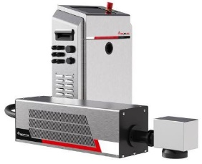 F8100U UV Laser Marking Machine | InkJet, Inc. |  | 100 x 100 mm | Touchscreen | UDP, TCP/IP, RS232 |  | 110 - 240 V / 50 - 60 Hz |  | Focus Options | Link

